Company location
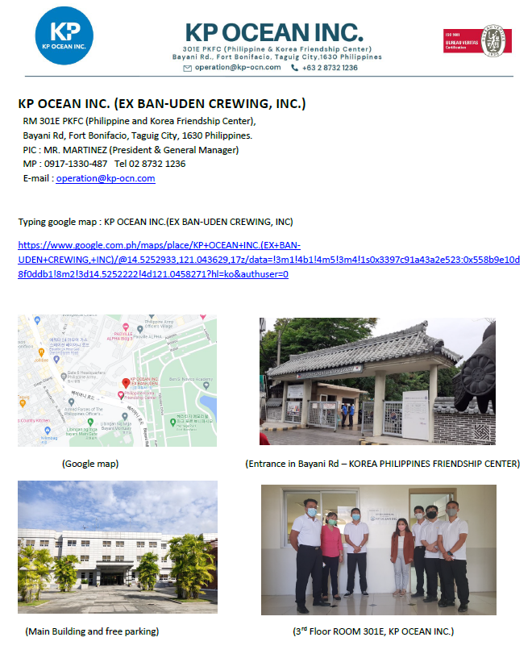
Come to our office Monday to Friday 0700~1700

SAMPLE CV
CHECKLIST for RECRUITED CREW
PERSONAL RECORD | Rank |  |  | C/O |  |  |  |  | VESSEL | OIL/CHEM |  |  | 
 | Name |  |  | CABITA, CHRISHER L.
 |  |  |  | (SURNAME / FIRST NAME / MIDDLE NAME)
 | Address |  |  | City Homes Subd. Magugpo East Tagum City Davao del Norte, Philippines
 | School Career |  |  | AIMS BSMT (1994~1998)
 | Contact |  |  | Facebook | https://www.facebook.com/elvis.lee.50 |  |  |  |  |  | Cellphone | 0917 700 7152
 | Date of Birth |  |  | 05/15/1984 |  | Age: | 38 | Civil Status | Married | Child | 4 | christopr051584@gmail.com
 | PARTICULARS |  |  | Rank | Vessel |  |  | Type | GRT | Signed On | Signed Off | Period | Reason | Manning Agent
 |  |  |  | C/O | MT Pechora Star |  |  | Oil/Chem | 8,581 | 2021-05-28 | 2021-10-11 | 4M - 13D | Finish Contract | KP OCEAN
 |  |  |  | C/O | MT Murray Star |  |  | Oil/Chem | 8,581 | 2020-01-17 | 2020-09-04 | 7M - 18D | Finish Contract | KP OCEAN
 |  |  |  | C/O | MT Murray Star |  |  | Oil/Chem | 8,581 | 2019-04-30 | 2019-09-06 | 4M - 7D | Finish Contract | KP OCEAN
 |  |  |  | 2/O | MT Ganges Star |  |  | Oil/Chem | 8,581 | 2018-03-10 | 2018-09-25 | 6M - 15D | Finish Contract | KP OCEAN
 |  |  |  | 2/O | MT Pechora Star |  |  | Oil/Chem | 8,581 | 2017-04-28 | 2017-11-11 | 6M - 14D | Finish Contract | KP OCEAN
 |  |  |  | 2/O | MT Mississippi Star |  |  | Oil/Chem | 8,581 | 2016-03-25 | 2016-10-28 | 7M - 3D | Finish Contract | KP OCEAN
 |  |  |  | 2/O | MT Zambezi Star |  |  | Oil/Chem | 23,312 | 2015-04-21 | 2015-11-09 | 6M - 19D | Finish Contract | KP OCEAN
 |  |  |  | 2/O | MT Orinoco Star |  |  | Oil/Chem | 23,312 | 2014-06-03 | 2014-11-26 | 5M - 23D | Finish Contract | KP OCEAN

ESSENTIAL DATA
HEIGHT: |  |  | 179.00 | cms | WEIGHT: |  |  | 85.00 | (kgs) | SHOE SIZE | 270 | (mm) | COVER ALL | XL
Rank |  | SURNAME/FIRST/MIDDLE |  |  |  | Nationality |  | D.O.B | Passport |  |  | Seaman Book
 |  |  |  |  |  |  |  |  | No. | Issued date | Exp.date | No. | Issued date | Exp.date
C/O |  | CABITA, CHRISHER L. |  |  |  | FILIPINO |  | 05/15/1984 | P5519678A | 4-Jan-18 | 3-Jan-28 | C1094637 | 4-Jan-18 | 2-Jan-28
MAJOR DOCUMENT
Name of Cert. |  |  |  | Capacity | COC NO. |  | Issued date |  | Exp.date |  | Remark
Philippines COC |  |  |  | C/O | CMM200000526019 |  | 2019-12-27 |  | 2024-12-27
PANAMA COC |  |  |  |  |  |  |  |  |  |  | Exp.date
VACCINE FOR COVID 19
NO.OF VACCINE |  |  |  | Vaccination date |  |  | Vaccine type |  |  | Place
1ST DOSE |  |  |  | 2021-06-05 |  |  | Moderna |  |  | Taguig City
2ND DOSE |  |  |  | 2022-01-13 |  |  | Moderna |  |  | Taguig City
BOOSTER SHOT |  |  |  | 2022-01-08 |  |  | PFIZER |  |  | Taguig City
INTERVIEW DETAILS
1. Sailing area/port |  |  |  | Europe, Indonesia, India, Canada, USA
2. Crew nationality |  |  |  | Filipino, Korean, European etc.
3. Eng Type, Generator (Engineer only) 2.1 Cargo pump/cargo experience (Officer only) |  |  |  | Faramo pump experience, cargoes ULSD,Gasoline, FAME, MOGAS, CPP, ETBE, MTBE, Alkylate, Jet Fuel, Vegetable Oil, Palm Oil, Sunflower seed Oil
3. Experience of ECDIS (Officer) |  |  |  | FURUNO, JRC with certificate
4. Major/CDI/SIRE inspection experience |  |  |  | Major / CDI / SIRE experience as Chief Officer
5. Salary and contract |  |  |  | Last SALARY | 6500$ |  | Contract | 10 Months | Ready to sign on |  | ASAP
6. Remark |  |  |  | Please list your strengths for the position you are applying for. There are no restrictions on characters.(Example) 1. I have working experience with Korean crew and valid KOREA COC. 2. I have welding skills with certificate 3. I have US Visa, SCHENZEN VISA, ETC.

